Directions
Enter client's name, employer, case #, Worker XID
Select an action item from the drop down menu and the date of the action. Place an X in the location if client is paid on the date of action.

Place an (X) in the appropriate pay frequency as provide by the verification.
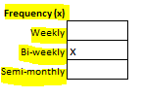

Enter pay dates provided, Select a verification source and enter the pay information as provided. List income as salary if multiple pay rates have been provided. If pay shows in hours enter
the hours in the field & the converted hours will display in the next column. Enter the rate per hour corresponding to the pay type.

Complete the pre-tax information in the spaces provided by selecting the item from the drop-down. Remember to enter the frequency for each item.

If there is a missing stub complete the provided section to determine the missing income & list the result in the top section under salary along with the other stubs provided.
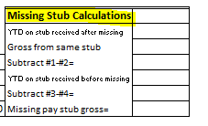

If deemed income is needed complete the section provided.
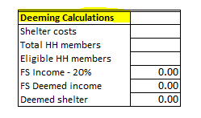

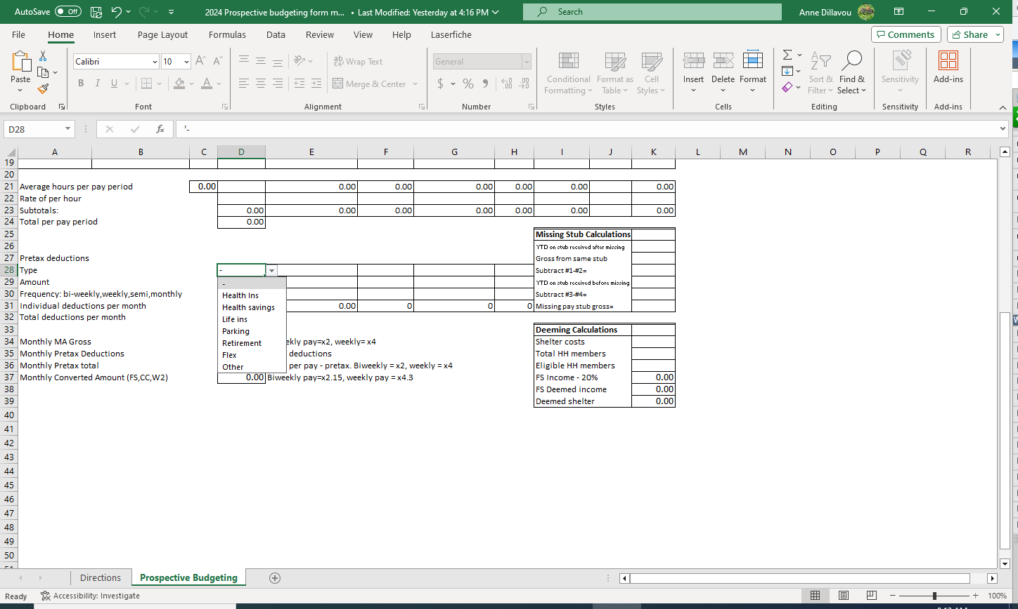

Prospective Budgeting
Employee Name |  |  | Employer: |  | Case #: |  | Worker:
Action: | - |  | Date: |  | Last 30 days: | #VALUE! | Paid on day of action: |  | (x if yes)

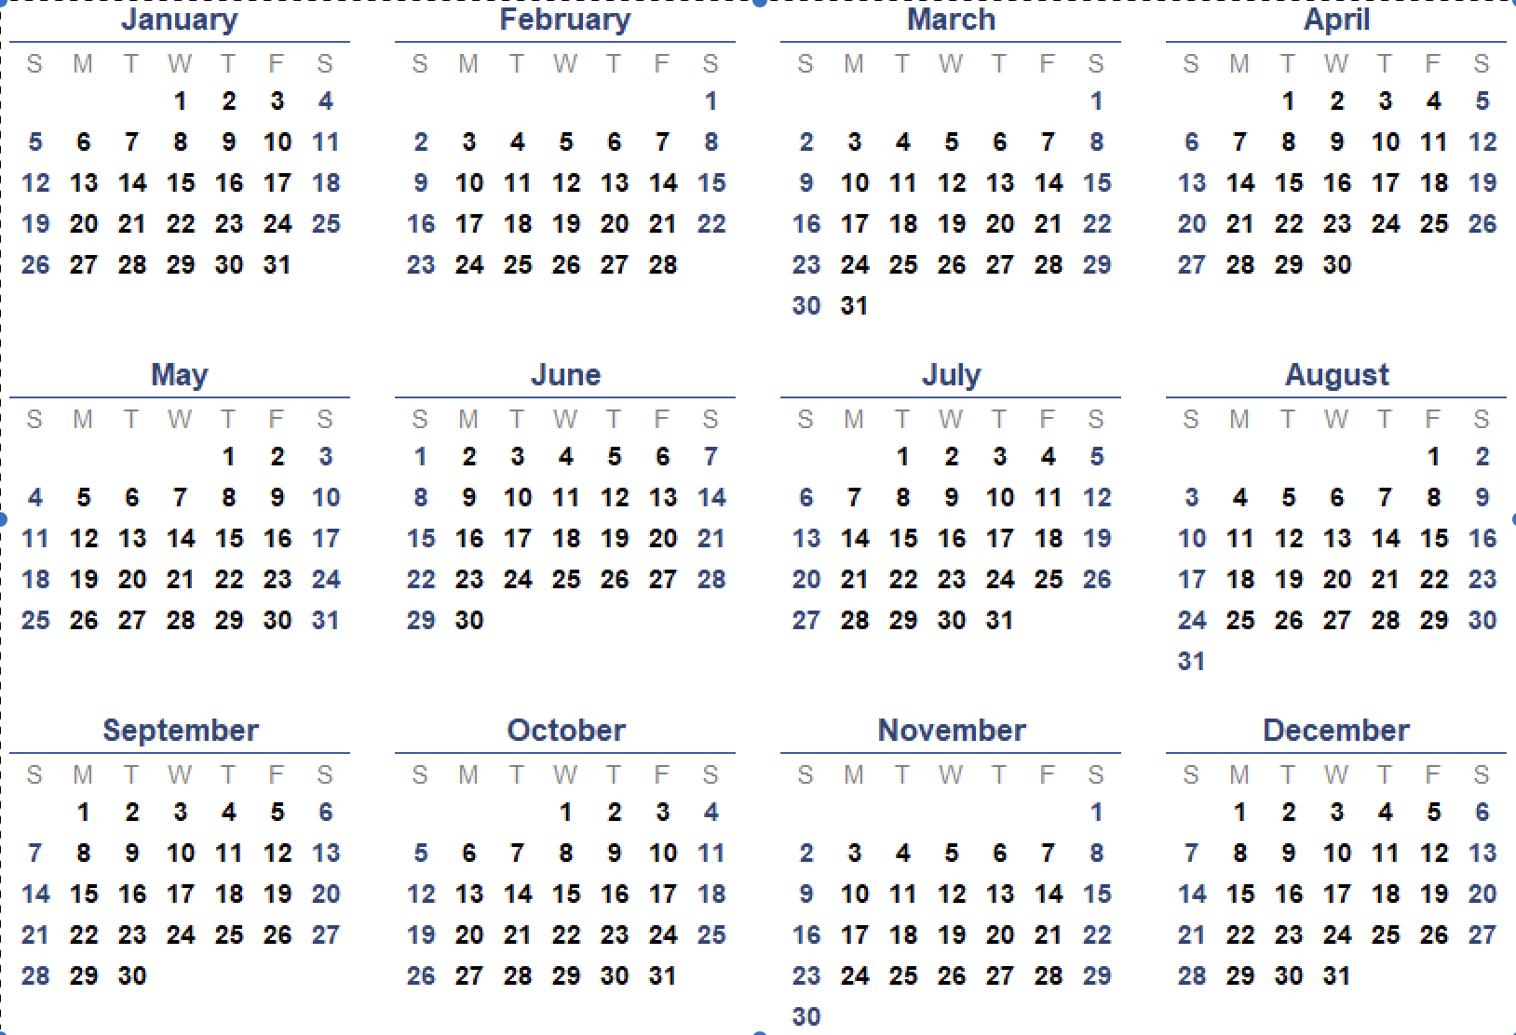
 |  |  |  |  |  |  |  |  | Frequency (x)
 |  |  |  |  |  |  |  |  | Weekly | x
 |  |  |  |  |  |  |  |  | Bi-weekly
 |  |  |  |  |  |  |  |  | Semi-monthly

 |  | Salary | or Gross |  |  |  |  | Comm/ | Time | Converted
Date Paid | Source | Hours | Wages | Reg hours | OT hours | Other pay type | Tips | Bonus | in hrs | hours
 | -
 | -

Average hours per pay period |  | 0.00 |  | 0.00 | 0.00 | 0.00 | 0.00 | 0.00 |  | 0.00
Rate of per hour
Subtotals: |  |  | 0.00 | 0.00 | 0.00 | 0.00 | 0.00 | 0.00 |  | 0.00
Total per pay period |  |  | 0.00
 |  |  |  |  |  |  |  | Missing Stub Calculations
 |  |  |  |  |  |  |  | YTD on stub received after missing
Pretax deductions |  |  |  |  |  |  |  | Gross from same stub
Type |  |  | - | - |  |  |  | Subtract #1-#2=
Amount |  |  |  |  |  |  |  | YTD on stub received before missing
Frequency: bi-weekly,weekly,semi,monthly |  |  | - | - |  |  |  | Subtract #3-#4=
Individual deductions per month |  |  | 0.00 | 0.00 | 0 | 0 | 0 | Missing pay stub gross=
Total deductions per month |  |  | 0.00
 |  |  |  |  |  |  |  | Deeming Calculations
Monthly MA Gross |  |  | 0.00 | Biweekly pay=x2, weekly= x4 |  |  |  | Shelter costs
Monthly Pretax Deductions |  |  | 0.00 | Total deductions |  |  |  | Total HH members
Monthly Pretax total |  |  | 0.00 | Total per pay - pretax. Biweekly = x2, weekly = x4 |  |  |  | Eligible HH members
Monthly Converted Amount (FS,CC,W2) |  |  | 0.00 | Biweekly pay=x2.15, weekly pay = x4.3 |  |  |  | FS Income - 20% |  | 0.00
 |  |  |  |  |  |  |  | FS Deemed income |  | 0.00
 |  |  |  |  |  |  |  | Deemed shelter |  | 0.00

